Residual Bridge Value
McFARLAND JOHNSON |  |  | JOB | ELMORE-WORCESTER BCA - PROTECT
Engineering, Planning & Construction Administration |  |  | SHEET NO. |  |  | 2 | OF | 10
www.mjinc.com |  |  | CALCULATED BY |  |  | SRL | DATE | 2023-07-07
 |  |  | CHECKED BY |  |  | BRC | DATE | 2023-07-11
 |  |  | PROJECT NO. |  |  | 18683.06 | SCALE | N.T.S.

 | RESIDUAL BRIDGE VALUE

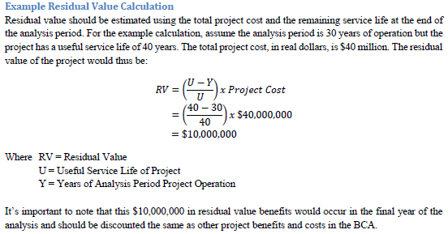
 |  | Estimated Cost of Bridge |  |  | $10,590,000.00

 |  | Estimated Cost of Design |  |  | $-

 |  |  |  | Total Estimated Project Cost ($2026) = | $10,590,000.00

 |  |  |  | Service Life of Bridge = | 75 Years

 |  |  |  | Bridge Opening Year = | 2026

 |  |  |  | End of Analysis Year = | 2055

 |  |  |  | Residual Value at End of Analysis Year ($2021)= | $6,500,000
 |  |  |  | (rounded to nearest 100,000)

Vehicle Operating Cost Savings
McFARLAND JOHNSON |  |  |  |  |  |  |  |  |  |  | JOB | ELMORE-WORCESTER BCA - PROTECT |  |  | Essex BCA - RAISE
Engineering, Planning & Construction Administration |  |  |  |  |  |  |  |  |  |  | SHEET NO. | 3 | OF | 10
www.mjinc.com |  |  |  |  |  |  |  |  |  |  | CALCULATED BY | SRL | DATE | 2023-07-11
 |  |  |  |  |  |  |  |  |  |  | CHECKED BY | BRC | DATE | 2023-07-11
 |  |  |  |  |  |  |  |  |  |  | PROJECT NO. | 18683.06 | SCALE | N.T.S.

Value of Vehicle Operating Costs Savings

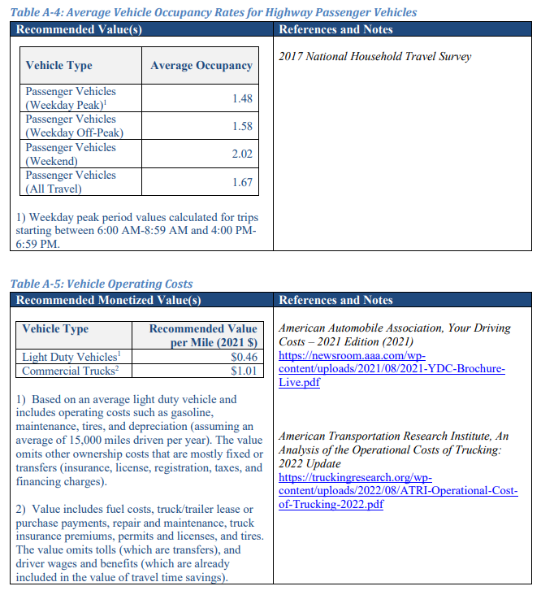
Calendar Year | Project Year | Average Annual VMT (Compared to NO BUILD) | Value of O&M Saved ($2021) |  |  | DAILY VALUES |  |  | ANNUAL VALUES
 |  |  |  |  |  | NO BUILD | 100% CLOSURE | 100% CLOSURE | NO BUILD | 100% CLOSURE | 100% CLOSURE
 |  |  |  |  |  | 2030 | 2030 | 2043 | 2030 | 2030 | 2043
2022 | 0 | 0 | $0 |  | VMT (miles) | 41,134 | 48,513 | 52,530 | 15,013,910 | 17,707,245 | 19,173,450
2023 | 1 | 0 | $0 |  | Change in VMT | 0 | 7,379 | 7,990 | 0 | 2,693,335 | 2,916,350
2024 | 2 | 0 | $0 |  | O&M Light Duty | $- | $3,187.29 | $3,451.20 | $- | $1,163,359.12 | $1,259,688.22
2025 | 3 | 0 | $0 |  | O&M Commercial | $- | $454.62 | $492.26 | $- | $165,936.37 | $179,676.32 |  | YEAR | AADT
2026 | 4 | 0 | $0 |  | Total | $- | $3,641.91 | $3,943.46 | $- | $1,329,295.49 | $1,439,364.54 |  | 2023 | 1500
2027 | 5 | 0 | $0 |  |  |  |  |  |  |  |  |  | 2024 | 1510
2028 | 6 | 0 | $0 |  |  |  |  |  |  |  |  |  | 2025 | 1520
2029 | 7 | 0 | $0 |  |  |  |  |  |  |  |  |  | 2026 | 1530
2030 | 8 | 2,693,335 | $1,329,295 | 100% CLOSURE PERIOD | Light Duty | $0.46 | Table A-5 - Value of Travel Time Savings - USDOT Benefit-Cost Analysis Guidance for Discretionary Grant Programs |  |  |  |  |  | 2027 | 1540
2031 | 9 | 2,710,490 | $1,337,762 |  | Commercial Duty | $1.01 | Table A-5 - Value of Travel Time Savings - USDOT Benefit-Cost Analysis Guidance for Discretionary Grant Programs, Note 2 |  |  |  |  |  | 2028 | 1550
2032 | 10 | 2,727,645 | $1,346,229 |  |  |  |  |  |  |  |  |  | 2029 | 1560
2033 | 11 | 2,744,800 | $1,354,696 |  |  |  |  |  |  |  |  |  | 2030 | 1570
2034 | 12 | 2,761,955 | $1,363,163 |  |  |  |  |  |  |  |  |  | 2031 | 1580
2035 | 13 | 2,779,110 | $1,371,630 |  | Assuming | 6% | Trucks (Per Scoping Study) |  |  |  |  |  | 2032 | 1590
2036 | 14 | 2,796,265 | $1,380,097 |  |  | 94% | Passenger Vehicles |  |  |  |  |  | 2033 | 1600
2037 | 15 | 2,813,420 | $1,388,563 |  |  |  |  |  |  |  |  |  | 2034 | 1610
2038 | 16 | 2,830,575 | $1,397,030 |  |  |  |  |  |  |  |  |  | 2035 | 1620
2039 | 17 | 2,847,730 | $1,405,497 |  | Closure Days | 365 |  |  |  |  |  |  | 2036 | 1630
2040 | 18 | 2,864,885 | $1,413,964 |  |  |  |  |  |  |  |  |  | 2037 | 1640
2041 | 19 | 2,882,040 | $1,422,431 |  |  |  |  |  |  |  |  |  | 2038 | 1650
2042 | 20 | 2,899,195 | $1,430,898 |  |  |  |  |  |  |  |  |  | 2039 | 1660
2043 | 21 | 2,916,350 | $1,439,365 |  |  |  |  |  |  |  |  |  | 2040 | 1670
2044 | 22 | 2,933,505 | $1,447,831 |  |  |  |  |  |  |  |  |  | 2041 | 1680
2045 | 23 | 2,950,660 | $1,456,298 |  |  |  |  |  |  |  |  |  | 2042 | 1690
2046 | 24 | 2,967,815 | $1,464,765 |  |  |  |  |  |  |  |  |  | 2043 | 1700
2047 | 25 | 2,984,970 | $1,473,232 |  |  |  | Miles | Minutes | AADT (2023) | VMT (2023) | AADT (2043) | VMT (2043) | 2044 | 1710
2048 | 26 | 3,002,125 | $1,481,699 |  |  | Non-closure Distance | 26.20 | 34.00 | 1500 | 39300 | 1700 | 44540 | 2045 | 1720
2049 | 27 | 3,019,280 | $1,490,166 |  |  | Detour (Full Closure) | 30.90 | 42.00 | 1500 | 46350 | 1700 | 52530 | 2046 | 1730
2050 | 28 | 3,036,435 | $1,498,632 |  |  |  |  |  |  |  |  |  | 2047 | 1740
2051 | 29 | 3,053,590 | $1,507,099 |  |  |  |  |  |  |  |  |  | 2048 | 1750
2052 | 30 | 3,070,745 | $1,515,566 |  |  |  |  |  |  |  |  |  | 2049 | 1760
2053 | 31 | 3,087,900 | $1,524,033 |  |  |  |  |  |  |  |  |  | 2050 | 1770
2054 | 32 | 3,105,055 | $1,532,500 |  |  |  |  |  |  |  |  |  | 2051 | 1780
2055 | 33 | 3,122,210 | $1,540,967 |  |  |  |  |  |  |  |  |  | 2052 | 1790
 |  |  | $37,313,409 |  |  |  |  |  |  |  |  |  | 2053 | 1800
 |  |  |  |  |  |  |  |  |  |  |  |  | 2054 | 1810
 |  |  |  |  |  |  |  |  |  |  |  |  | 2055 | 1820

Travel Times Savings
McFARLAND JOHNSON |  |  |  |  |  | JOB | ELMORE-WORCESTER BCA - PROTECT
Engineering, Planning & Construction Administration |  |  |  |  |  | SHEET NO. | 4 | OF | 10
www.mjinc.com |  |  |  |  |  | CALCULATED BY | SRL | DATE | 2023-07-11
 |  |  |  |  |  | CHECKED BY | BRC | DATE | 2023-07-11
 |  |  |  |  |  | PROJECT NO. | 18683.06 | SCALE | N.T.S.

DETERMINE VALUE OF BENEFIT OF LESS TRAVEL TIME THROUGH CORRIDOR
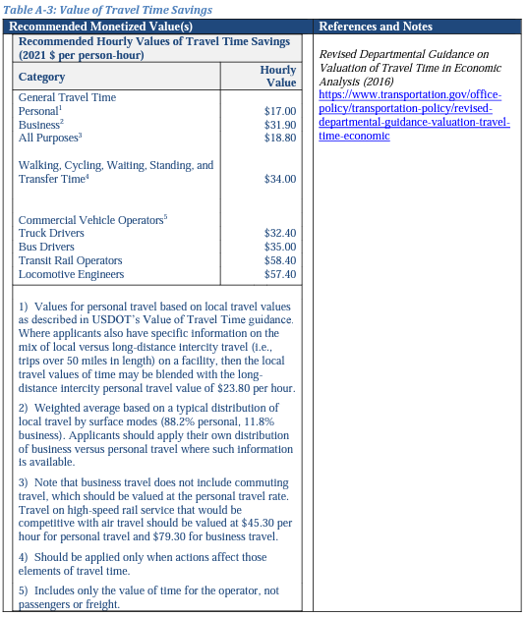

 |  |  | TRAVEL TIME SAVINGS = | 226.67 | DAILY VEHICLE HOURS DURING 2043 100% CLOSURE

 |  |  |  | 365 | CLOSURE DAYS PER YEAR

 |  |  | TOTAL TRAVEL TIMES SAVINGS = | 82,733.33 | VEHICLE HOURS SAVED DURING 2043 100% CLOSURE

 | Recommended Hourly Values of Travel Time Savings (Per Person-Hour) 1 |  |  | Sources:
 |  |  |  | (1) | Table A-3 - Value of Travel Time Savings - USDOT Benefit-Cost Analysis Guidance for Discretionary Grant Programs
 | Category |  | ($2021) | (2) | Table A-3 - Value of Travel Time Savings - USDOT Benefit-Cost Analysis Guidance for Discretionary Grant Programs, Note 2
 | Private Vehicle |  |  | (3) | Table A-4 - Average Vehicle Occupancy - USDOT Benefit-Cost Analysis Guidance for Discretionary Grant Programs
 | Personal |  | $17.00
 | Business |  | $31.90

 | Commercial Vehicle
 | Truck Driver |  | $32.40

 | Estimated Percentage of Personal and Business Travel 2
 | Business |  | 11.80%
 | Personal |  | 88.20%

 | Average Vehicle Occupancy 3
 | Passenger Vehicle |  | 1.67
 | Trucks |  | 1.00

 | Assuming | 6% | Trucks (Per Scoping Study)
 |  | 94% | Passenger Vehicles
 |  |  | 11.80% | Business Passenger Vehicles
 |  |  | 88.20% | Personal Passenger Vehicles

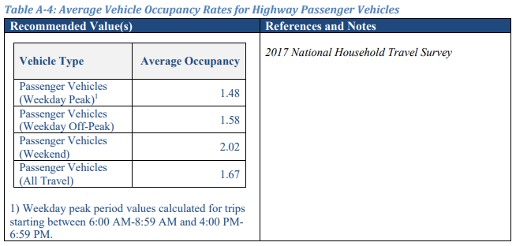
 |  |  | Weighted Cost of Truck = | % Trucks x Truck Driver Rate x Vehicle Occupancy
 |  |  | = | $1.98

 |  |  | Weighted Cost of Business Passenger Vehicle = | % Business Passenger Vehicle x Business Passenger Vehicle Rate x Vehicle Occupancy
 |  |  | = | $5.90

 |  |  | Weighted Cost of Personal Passenger Vehicle = | % Personal Passenger Vehicle x Personal Passenger Vehicle Rate x Vehicle Occupancy
 |  |  | = | $23.51

 |  |  | Total Weighted Averages per Vehicle = | Weighted Cost of Truck + Weighted Cost of Business Passenger Vehicle + Weighted Cost of Personal Passenger Vehicle
 |  |  | = | $31.39

 | TOTAL ANNUAL SAVINGS OF TRAVEL TIME COSTS YEAR 2043 100% CLOSURE = |  |  | $2,597,139.66 | IN 2021 DOLLARS

